Agenda
 | Microsoft Excel training
 | Basics

Agenda

Tips & Tricks
- Quick selection
- Autofilling
- Shortcuts
Data editing
- Splitting
- Combining
- Transposing
Tables
- Characteristics
- Filters & slicers
- Conditional formatting

Functions
- References
- Basic functions - IF functions
- Dropdowns
Functions
- References
- Basic functions - IF functions
- Dropdowns
Sharing & coauthoring
- Best practices
- Safety & protection levels
- Worksheet protection

Tables
Tables
3 Ways to create a table
1) Select range, shortcut Ctrl+T
2) Select range, open Quick Analysis tools > Tables
3) Insert > Table
BU | Manufacturer | Location | Unit Price | Quantity in Stock | Inventory Value
SFS | Lenovo | München | 51 | 25 | 1275
SMO | HP | Erlangen | 93 | 132 | 12276
DI | Apple | Nürnberg | 57 | 151 | 8607
SI | Fujitsu | Berlin | 19 | 186 | 3534
SFS | Lenovo | Hamburg | 75 | 62 | 4650
SMO | HP | Düsseldorf | 11 | 5 | 55
SMO | Apple | München | 56 | 58 | 3248
SI | Fujitsu | Erlangen | 38 | 101 | 3838
SFS | Lenovo | Nürnberg | 59 | 122 | 7198
SMO | HP | Berlin | 50 | 175 | 8750
SFS | Apple | Hamburg | 59 | 176 | 10384
SI | Fujitsu | Düsseldorf | 18 | 22 | 396
SFS | Lenovo | München | 26 | 72 | 1872
SMO | HP | Erlangen | 42 | 62 | 2604
SI | Apple | Nürnberg | 32 | 46 | 1472
SI | Fujitsu | Berlin | 90 | 96 | 8640
SFS | Lenovo | Hamburg | 97 | 57 | 5529
SMO | HP | Düsseldorf | 12 | 6 | 72
DI | Apple | München | 82 | 143 | 11726
SI | Fujitsu | Erlangen | 16 | 124 | 1984
SFS | Lenovo | Nürnberg | 19 | 112 | 2128
SMO | HP | Berlin | 24 | 182 | 4368
Total | 22 |  | 46.636363636 |  | 104606

Functions
Formulas & functions
 |  |  |  |  |  | IF functions
BU | Manufacturer | Location | Amount | VAT | Total | BU | Total | Average | Count
DI | Apple | Nürnberg | 2,380.00 € | 547.40 € | 2,927.40 € | DI | 3,975.36 €
DI | Apple | München | 852.00 € | 195.96 € | 1,047.96 € | SFS | 17,969.07 €
SFS | Lenovo | München | 1,500.00 € | 345.00 € | 1,845.00 € | SI | 11,491.89 €
SFS | Lenovo | Hamburg | 3,650.00 € | 839.50 € | 4,489.50 € | SMO | 9,768.66 €
SFS | Lenovo | Nürnberg | 5,236.00 € | 1,204.28 € | 6,440.28 €
SFS | Apple | Hamburg | 889.00 € | 204.47 € | 1,093.47 €
SFS | Lenovo | München | 2,003.00 € | 460.69 € | 2,463.69 €
SFS | Lenovo | Hamburg | 452.00 € | 103.96 € | 555.96 €
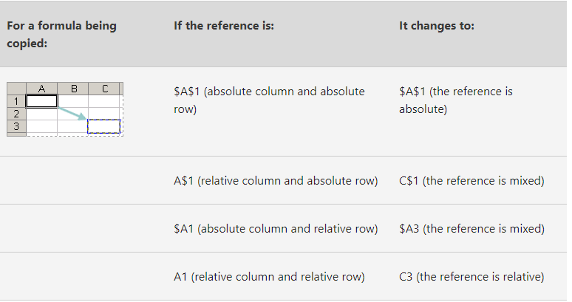
SFS | Lenovo | Nürnberg | 879.00 € | 202.17 € | 1,081.17 € | References
SI | Fujitsu | Berlin | 4,562.00 € | 1,049.26 € | 5,611.26 € | Exact cell reference |  | C22
Change easily with F4 (excl. structured references)
SI | Fujitsu | Erlangen | 653.00 € | 150.19 € | 803.19 € | Relative reference |  | C22
SI | Fujitsu | Düsseldorf | 965.00 € | 221.95 € | 1,186.95 € | Absolute reference |  | $C$22
SI | Apple | Nürnberg | 1,200.00 € | 276.00 € | 1,476.00 € | Mixed references |  | C$22 & $C22
SI | Fujitsu | Berlin | 1,500.00 € | 345.00 € | 1,845.00 € | Structured reference |  | Sales[Jan]
SI | Fujitsu | Erlangen | 463.00 € | 106.49 € | 569.49 € | Absolute structured reference |  | Sales[[Jan]:[Jan]]
SMO | HP | Erlangen | 1,320.00 € | 303.60 € | 1,623.60 €
SMO | HP | Düsseldorf | 1,459.00 € | 335.57 € | 1,794.57 €
SMO | Apple | München | 852.00 € | 195.96 € | 1,047.96 € | Create Dropdown
SMO | HP | Berlin | 423.00 € | 97.29 € | 520.29 € | 1) Select row(s)/column(s) where you want to create a drop-down list
SMO | HP | Erlangen | 2,563.00 € | 589.49 € | 3,152.49 € | 2) On the Data tab, click Data Validation. Under Allow, click List.
SMO | HP | Düsseldorf | 360.00 € | 82.80 € | 442.80 € | 3) Click inside the Source box, then click the up arrow button
SMO | HP | Berlin | 965.00 € | 221.95 € | 1,186.95 € | 4) Select the options from your validation list e.g. on backlog sheet
Total |  |  |  |  | 43,204.98 €

Sharing
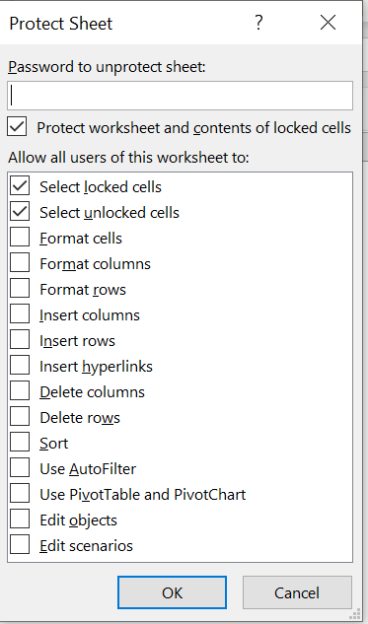
Sharing & coauthoring

Best practices for Coauthoring
- Share the file via a Link, to as an attachment
- Use AutoSave (if possible)
- Reopen when prompted
- Use Comments instead of Notes (@mention possible!)
- Use tables from Excel
- Only edit Macros or VBA Code while working alone
- Use appropriate MIP labeling
- If needed, protect parts of the worksheet.
 | Protection & security levels
 | File level | Open as Read-Only Encrypt with Password Mark as Final MIP Labels Sharing settings
 | Workbook level | Structure (with password if wanted)
 | Worksheet level | Cell element protection (see below)

 | Worksheet protection

 | Step 1: Unlock any cells that need to be editable
 | a) Select the cells that others can edit
 | b) Open Format Cells (Ctrl+1), clear Locked from Protection tab

 | Step 2: Protect the worksheet
 | a) On Review tab, click Protect Sheet
 | b) In the Allow all users of this worksheet to list, select the elements you want people to be able to change. More information:
 | https://support.microsoft.com/en-us/office/protect-a-worksheet-3179efdb-1285-4d49-a9c3-f4ca36276de6

